README
Welcome to the UWC Carbon Monitoring Tool spreadsheet version 1.0 by Tobi Kellner <tobi.kellner@uwcrobertboschcollege.de>
License: Attribution-NonCommercial-ShareAlike - feel free to share and modify this document non-commercially as long as you credit me and share your work under the same terms. And if you make some useful additions then it would be useful to let me know!
This tool helps calculate a school's CO2 emissions from activities such as use of heat & electricity, staff & student travel & food
Fields shaded are input fields, you can enter values into them.
Fields shade d are output fields which are filled automatically, e.g. by calculations. Do not enter values into them!
The tab contains constants such as emissions factors for different fuels and modes of transport. These form the basis of the carbon footprint calculations. You can add values (e.g. additional heating fuels) or change values.
Note: It is important that entries use the exact words and spelling found in the Lookup values table. For example, if the entry in Lookup values is "bike" then the formula will not work with an entry "bikes" or "bicycle".
Frequently Asked Questions on Travel Footprinting
Q: Doesn't it depend on how full the train/bus/plane is? A: The figures are based on average occupancy rates for planes and trains. Note the values for coach/bus assume a chartered coach with a high occupancy rate (e.g. class trip). Commercial long distance coach operators (e.g. Flixbus) may have a higher footprint as occupancy is lower
Q: The figures for plane travel must be wrong. Planes are more fuel efficient than cars. A: The figures are correct. It is true that a fully occupied modern plane needs less fuel per passenger-kilometre than a car. However, the figures used by UBA take into consideration three extra factors: 1) Emissions at higher altitudes have an additional climate impact. The exact magnitude is subject of ongoing scientific research, but often a factor of 2 is used (see https://co2offsetresearch.org/PDF/SEI_Air_Travel_Emissions_Paper2_June_09.pdf, for more info read https://www.carbonbrief.org/explainer-challenge-tackling-aviations-non-co2-emissions) - see graphic below! 2) Planes are much less fuel efficient during take-off and landing. This plays a larger role for short-haul flights
3) Plane occupancy is not 100% - not all seats are filled
Q: Flying cannot be so bad, aviation accounts only for 2% of global CO2 emissions A: That's because most people don't fly. It is true that international aviation (i.e. not considering plane flights within countries) only accounts for a small fraction of global CO2 emissions. But this is because a vast majority of people worldwide fly very rarely or never. The majority of the word's population earns less than $10/day, lives in countries where trains and busses are significantly cheaper than flying, cannot afford long-distance holidays and does not have jobs that require frequent long-distance air travel. There are no exact figures on this, but in 2017 it was estimated that 82% of people worldwide had never flown in their life. (https://www.huffpost.com/entry/fewer-than-18-of-people-h_b_12443062) If you do fly, it makes up a very large part of your personal carbon footprint. As flying becomes more affordable for more people worldwide, the share of global CO2 emissions will increase.

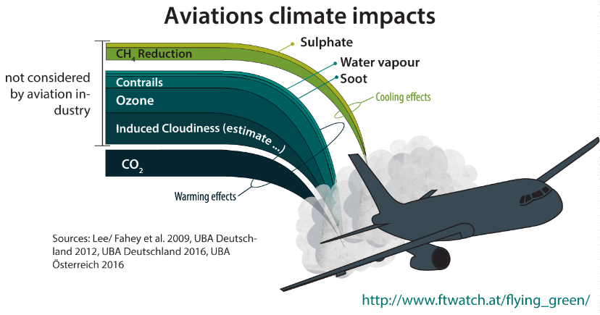

Lookup values
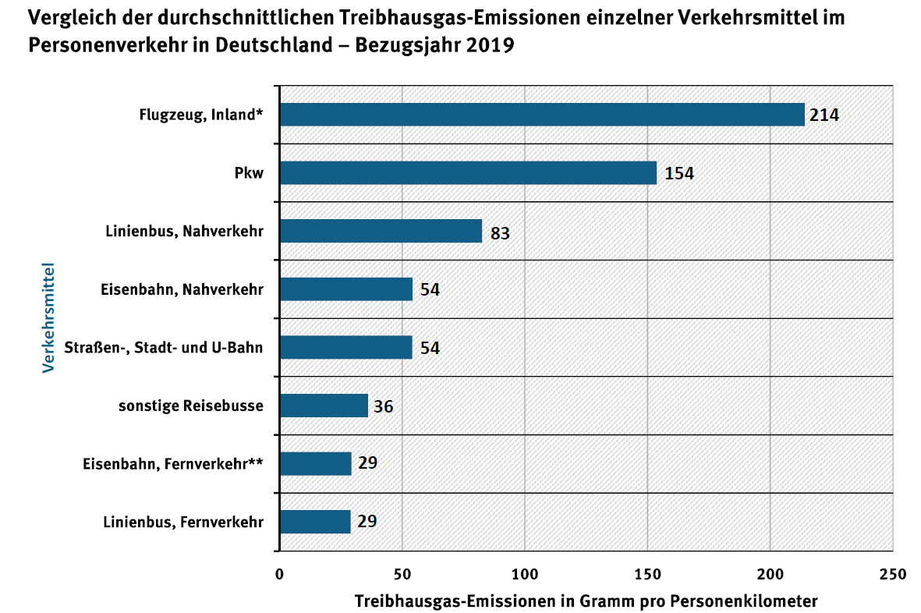
TRANSPORT
Except where stated differently, the figures in the Transport section are are based on calculations by the German Environment Agency (Umweltbundesamt).
https://www.umweltbundesamt.de/themen/verkehr-laerm/emissionsdaten#grafik

Mode | Emissions (g CO2/passenger-kilometre) | Source
car | 154
van | 175 | based on: https://ec.europa.eu/clima/policies/transport/vehicles/vans_en
bus/coach (e.g. Flixbus) | 29
train | 54
plane | 195 | based on: https://www.bbc.com/news/science-environment-49349566
local bus | 83
local train | 54
suburban & underground train | 54
bike | 0
walking | 0

Note: Flight emissions figures are based ion UK DEFRA calculations for long-haul flights, including "secondary effects from high altitude, non-CO2 emissions"
For an explanation of non-CO2 emissions, see https://www.carbonbrief.org/explainer-challenge-tackling-aviations-non-co2-emissions

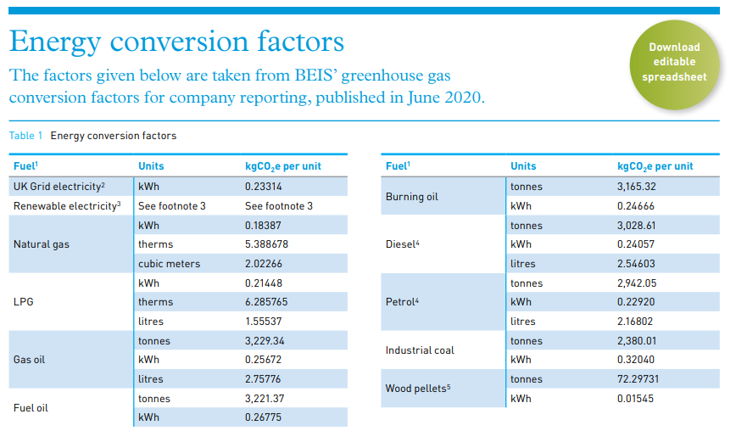
Fuels
Except where stated differently, the figures in the Fuels section are based on those published by the UK Carbon Trust, with data by the Department for Business, Energy & Industrial Strategy
https://www.carbontrust.com/resources/conversion-factors-energy-and-carbon-conversion-guide

Fuel & unit | CO2 Intensity (g CO2 per unit) | Source
Natural gas (kWh) | 184
Natural gas (m3) | 2085
Electricity Germany (kWh) | 378 | https://www.carbonfootprint.com/docs/2020_06_emissions_factors_sources_for_2020_electricity_v1_1.pdf
Electricity UK (kWh) | 233
Burning/heating oil (kWh) | 247
Burning/heating oil (litre) | 2960 | https://www.carbonindependent.org/15.html
Diesel (litre) | 2546
Petrol (litre) | 2168
van (kilometres) | 175 | https://ec.europa.eu/clima/policies/transport/vehicles/vans_en
Electricity Costa Rica | 27

Food

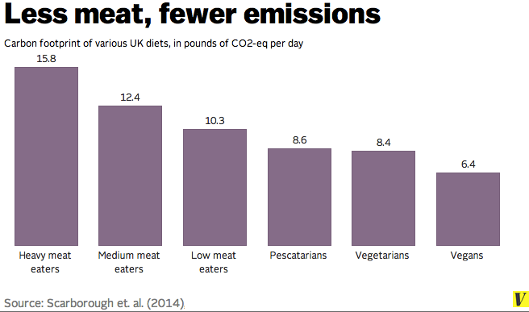
Diet | Carbon Footprint (pounds CO2-eq per day) | Carbon Footprint (kg CO2-eq per day)
Heavy meat eaters | 15.800 | 7.17
Medium meat eaters | 12.4 | 5.62
Low meat eaters | 10.3 | 4.67
Pescatarians | 8.6 | 3.90
Vegetarians | 8.4 | 3.81
Vegans | 6.4 | 2.90

Other

staff
student

one-way
return

SUMMARY
Overall Carbon Footprint
Item | Tons CO2
Heating | 38.88
Electricity | 0.38
Food | 10.80
Vans | 0.51
Travel August | 6.24
Travel Christmas | 6.56
Travel return | 6.24

Sum | 69.60

Persons | 10

CO2 per person | 6.96

Other Data Sources
Other Data Sources
These are some other sources fror emissions data, including graphs. Feel free to use these

National Observer / Barry Saxifrages (Canada, 2016)
https://www.nationalobserver.com/2016/02/25/analysis/essential-infographics-climate-conscious-traveller
http://www.saxifrages.org/cgi-bin/eco/show_article_attachment.cgi?TY=ga&ID=86&F=climate-choices-travel.jpg&X=1455821182000/climate-choices-travel.jpg
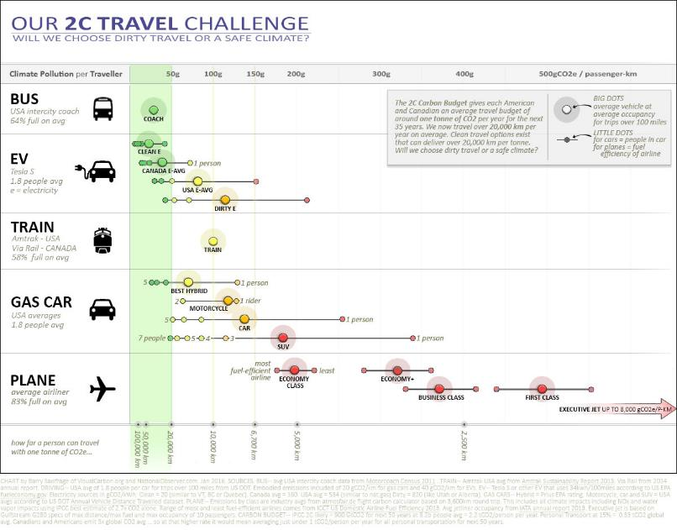

European Environment Agency (EU, 2014)
https://twitter.com/euenvironment/status/542314833203695616
presumably based on data in https://www.eea.europa.eu/publications/term-report-2014
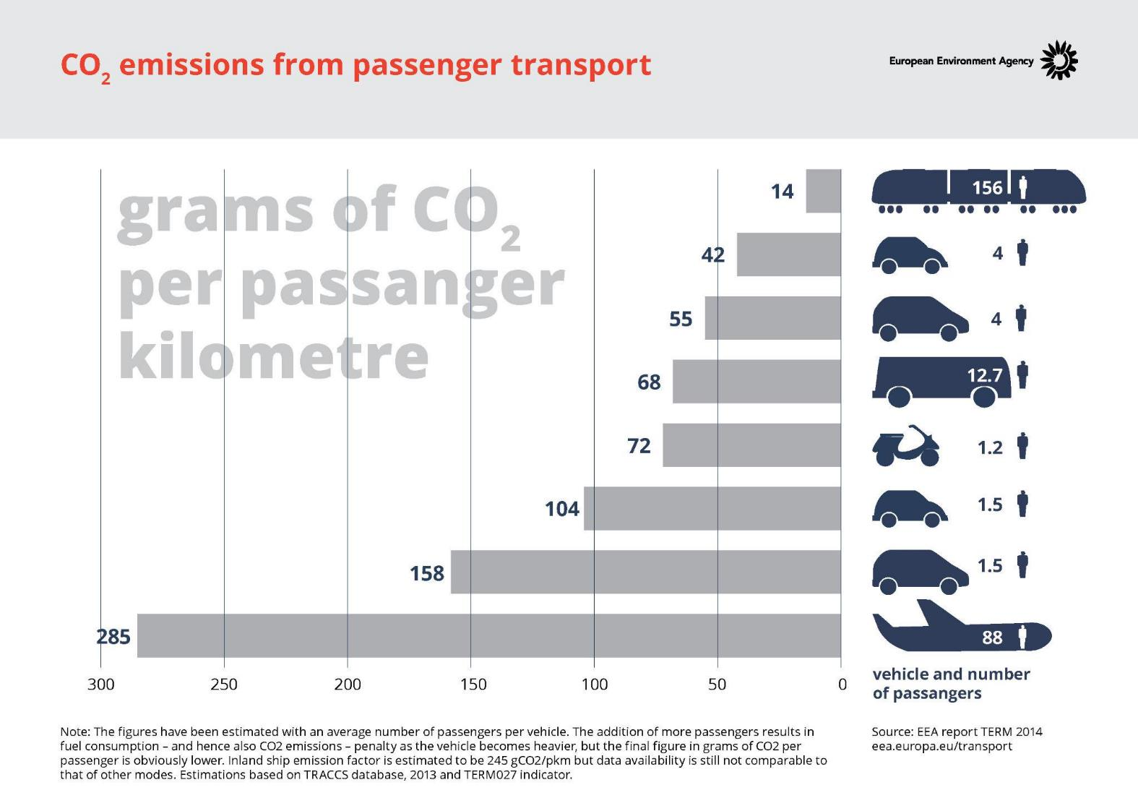

Adapted from: https://climateactiontracker.org/global/temperatures/
